Actual Operation Evidence
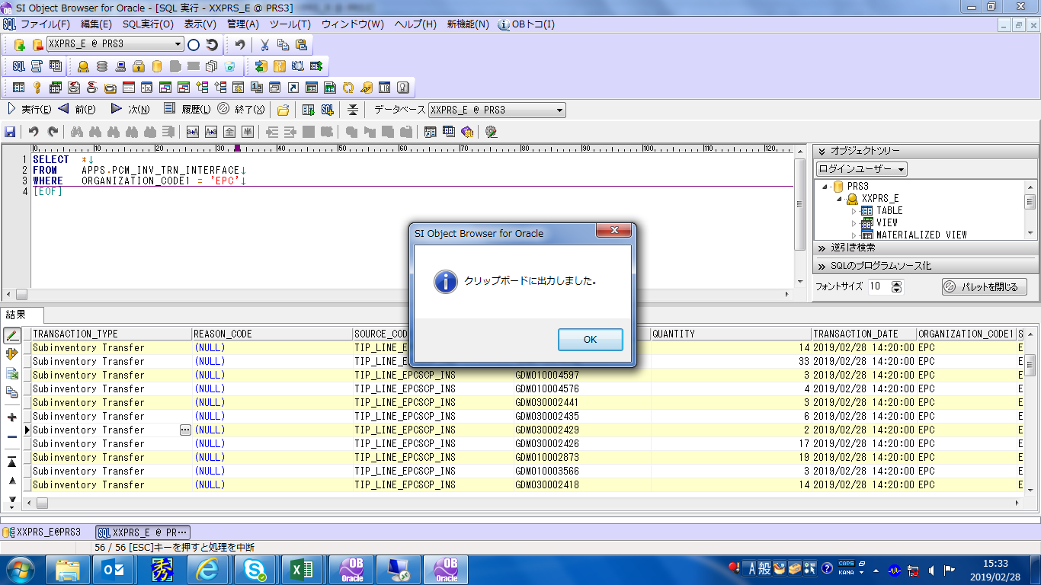
Actual Operation Evidence

TRANSACTION_TYPE | REASON_CODE | SOURCE_CODE | ITEM_NO | QUANTITY | TRANSACTION_DATE | ORGANIZATION_CODE1 | SUBINVENTORY1 | LOC1_SEGMENT1 | LOC1_SEGMENT2 | LOC1_SEGMENT3 | ORGANIZATION_CODE2 | SUBINVENTORY2 | LOC2_SEGMENT1 | LOC2_SEGMENT2 | LOC2_SEGMENT3 | ATTRIBUTE1 | ATTRIBUTE2 | ATTRIBUTE3 | ATTRIBUTE4 | ATTRIBUTE5 | ATTRIBUTE6 | ATTRIBUTE7 | ATTRIBUTE8 | ATTRIBUTE9 | ATTRIBUTE10 | ATTRIBUTE11 | ATTRIBUTE12 | ATTRIBUTE13 | ATTRIBUTE14 | ATTRIBUTE15 | CREATION_DATE | PROCESS_FLAG | ERROR_MESSAGE | CREATED_BY
Subinventory Transfer |  | TIP_LINE_EPCSCP_INS | GDM030001352 | 6 | 2/28/19 | EPC | EPCSCP-B |  |  |  | EPC | EPCLINE-B |  |  |  |  |  |  |  |  |  |  |  |  |  |  |  |  |  |  | 2/28/19 | 1 |  | 11809
Subinventory Transfer |  | TIP_LINE_EPCSCP_INS | GDM010003875 | 2 | 2/28/19 | EPC | EPCSCP-B |  |  |  | EPC | EPCLINE-B |  |  |  |  |  |  |  |  |  |  |  |  |  |  |  |  |  |  | 2/28/19 | 1 |  | 11809
Subinventory Transfer |  | TIP_LINE_EPCSCP_INS | GDM010004662 | 18 | 2/28/19 | EPC | EPCSCP-B |  |  |  | EPC | EPCLINE-B |  |  |  |  |  |  |  |  |  |  |  |  |  |  |  |  |  |  | 2/28/19 | 1 |  | 11809
Subinventory Transfer |  | TIP_LINE_EPCSCP_INS | GDM030001347 | 12 | 2/28/19 | EPC | EPCSCP-B |  |  |  | EPC | EPCLINE-B |  |  |  |  |  |  |  |  |  |  |  |  |  |  |  |  |  |  | 2/28/19 | 1 |  | 11809
Subinventory Transfer |  | TIP_LINE_EPCSCP_INS | GDM010003538 | 12 | 2/28/19 | EPC | EPCSCP-B |  |  |  | EPC | EPCLINE-B |  |  |  |  |  |  |  |  |  |  |  |  |  |  |  |  |  |  | 2/28/19 | 1 |  | 11809
Subinventory Transfer |  | TIP_LINE_EPCSCP_INS | GDM420000484 | 6 | 2/28/19 | EPC | EPCSCP-B |  |  |  | EPC | EPCLINE-B |  |  |  |  |  |  |  |  |  |  |  |  |  |  |  |  |  |  | 2/28/19 | 1 |  | 11809
Subinventory Transfer |  | TIP_LINE_EPCSCP_INS | GDM030001869 | 12 | 2/28/19 | EPC | EPCSCP-B |  |  |  | EPC | EPCLINE-B |  |  |  |  |  |  |  |  |  |  |  |  |  |  |  |  |  |  | 2/28/19 | 1 |  | 11809
Subinventory Transfer |  | TIP_LINE_EPCSCP_INS | GDM340000021 | 24 | 2/28/19 | EPC | EPCSCP-B |  |  |  | EPC | EPCLINE-B |  |  |  |  |  |  |  |  |  |  |  |  |  |  |  |  |  |  | 2/28/19 | 1 |  | 11809
Subinventory Transfer |  | TIP_LINE_EPCSCP_INS | GDM050001118 | 16 | 2/28/19 | EPC | EPCSCP-B |  |  |  | EPC | EPCLINE-B |  |  |  |  |  |  |  |  |  |  |  |  |  |  |  |  |  |  | 2/28/19 | 1 |  | 11809
Subinventory Transfer |  | TIP_LINE_EPCSCP_INS | GDM050000981 | 6 | 2/28/19 | EPC | EPCSCP-B |  |  |  | EPC | EPCLINE-B |  |  |  |  |  |  |  |  |  |  |  |  |  |  |  |  |  |  | 2/28/19 | 1 |  | 11809
Subinventory Transfer |  | TIP_LINE_EPCSCP_INS | GDM030001768 | 6 | 2/28/19 | EPC | EPCSCP-B |  |  |  | EPC | EPCLINE-B |  |  |  |  |  |  |  |  |  |  |  |  |  |  |  |  |  |  | 2/28/19 | 1 |  | 11809
Subinventory Transfer |  | TIP_LINE_EPCSCP_INS | GDM010002899 | 6 | 2/28/19 | EPC | EPCSCP-B |  |  |  | EPC | EPCLINE-B |  |  |  |  |  |  |  |  |  |  |  |  |  |  |  |  |  |  | 2/28/19 | 1 |  | 11809
Subinventory Transfer |  | TIP_LINE_EPCSCP_INS | GDM030001342 | 52 | 2/28/19 | EPC | EPCLINE-B |  |  |  | EPC | EPCSCP-B |  |  |  |  |  |  |  |  |  |  |  |  |  |  |  |  |  |  | 2/28/19 | 1 |  | 11809
Subinventory Transfer |  | TIP_LINE_EPCSCP_INS | GDM010003700 | 3 | 2/28/19 | EPC | EPCLINE-B |  |  |  | EPC | EPCSCP-B |  |  |  |  |  |  |  |  |  |  |  |  |  |  |  |  |  |  | 2/28/19 | 1 |  | 11809
Subinventory Transfer |  | TIP_LINE_EPCSCP_INS | GDM010002915 | 1 | 2/28/19 | EPC | EPCLINE-B |  |  |  | EPC | EPCSCP-B |  |  |  |  |  |  |  |  |  |  |  |  |  |  |  |  |  |  | 2/28/19 | 1 |  | 11809
Subinventory Transfer |  | TIP_LINE_EPCSCP_INS | GDM030002448 | 12 | 2/28/19 | EPC | EPCLINE-B |  |  |  | EPC | EPCSCP-B |  |  |  |  |  |  |  |  |  |  |  |  |  |  |  |  |  |  | 2/28/19 | 1 |  | 11809
Subinventory Transfer |  | TIP_LINE_EPCSCP_INS | GDM030002430 | 6 | 2/28/19 | EPC | EPCLINE-B |  |  |  | EPC | EPCSCP-B |  |  |  |  |  |  |  |  |  |  |  |  |  |  |  |  |  |  | 2/28/19 | 1 |  | 11809
Subinventory Transfer |  | TIP_LINE_EPCSCP_INS | GDM030002438 | 3 | 2/28/19 | EPC | EPCLINE-B |  |  |  | EPC | EPCSCP-B |  |  |  |  |  |  |  |  |  |  |  |  |  |  |  |  |  |  | 2/28/19 | 1 |  | 11809
Subinventory Transfer |  | TIP_LINE_EPCSCP_INS | GDM010003699 | 19 | 2/28/19 | EPC | EPCLINE-B |  |  |  | EPC | EPCSCP-B |  |  |  |  |  |  |  |  |  |  |  |  |  |  |  |  |  |  | 2/28/19 | 1 |  | 11809
Subinventory Transfer |  | TIP_LINE_EPCSCP_INS | GDM010003547 | 9 | 2/28/19 | EPC | EPCLINE-B |  |  |  | EPC | EPCSCP-B |  |  |  |  |  |  |  |  |  |  |  |  |  |  |  |  |  |  | 2/28/19 | 1 |  | 11809
Subinventory Transfer |  | TIP_LINE_EPCSCP_INS | GDM010002886 | 16 | 2/28/19 | EPC | EPCLINE-B |  |  |  | EPC | EPCSCP-B |  |  |  |  |  |  |  |  |  |  |  |  |  |  |  |  |  |  | 2/28/19 | 1 |  | 11809
Subinventory Transfer |  | TIP_LINE_EPCSCP_INS | GDM010003534 | 5 | 2/28/19 | EPC | EPCLINE-B |  |  |  | EPC | EPCSCP-B |  |  |  |  |  |  |  |  |  |  |  |  |  |  |  |  |  |  | 2/28/19 | 1 |  | 11809
Subinventory Transfer |  | TIP_LINE_EPCSCP_INS | GDM010002905 | 3 | 2/28/19 | EPC | EPCLINE-B |  |  |  | EPC | EPCSCP-B |  |  |  |  |  |  |  |  |  |  |  |  |  |  |  |  |  |  | 2/28/19 | 1 |  | 11809
Subinventory Transfer |  | TIP_LINE_EPCSCP_INS | GDM130000503 | 3 | 2/28/19 | EPC | EPCLINE-B |  |  |  | EPC | EPCSCP-B |  |  |  |  |  |  |  |  |  |  |  |  |  |  |  |  |  |  | 2/28/19 | 1 |  | 11809
Subinventory Transfer |  | TIP_LINE_EPCSCP_INS | GDM220002082 | 2 | 2/28/19 | EPC | EPCLINE-B |  |  |  | EPC | EPCSCP-B |  |  |  |  |  |  |  |  |  |  |  |  |  |  |  |  |  |  | 2/28/19 | 1 |  | 11809
Subinventory Transfer |  | TIP_LINE_EPCSCP_INS | GDM030002465 | 1 | 2/28/19 | EPC | EPCLINE-B |  |  |  | EPC | EPCSCP-B |  |  |  |  |  |  |  |  |  |  |  |  |  |  |  |  |  |  | 2/28/19 | 1 |  | 11809
Subinventory Transfer |  | TIP_LINE_EPCSCP_INS | GDM010004595 | 5 | 2/28/19 | EPC | EPCLINE-B |  |  |  | EPC | EPCSCP-B |  |  |  |  |  |  |  |  |  |  |  |  |  |  |  |  |  |  | 2/28/19 | 1 |  | 11809
Subinventory Transfer |  | TIP_LINE_EPCSCP_INS | GDM010004571 | 27 | 2/28/19 | EPC | EPCLINE-B |  |  |  | EPC | EPCSCP-B |  |  |  |  |  |  |  |  |  |  |  |  |  |  |  |  |  |  | 2/28/19 | 1 |  | 11809
Subinventory Transfer |  | TIP_LINE_EPCSCP_INS | GDM010004575 | 1 | 2/28/19 | EPC | EPCLINE-B |  |  |  | EPC | EPCSCP-B |  |  |  |  |  |  |  |  |  |  |  |  |  |  |  |  |  |  | 2/28/19 | 1 |  | 11809
Subinventory Transfer |  | TIP_LINE_EPCSCP_INS | GDM010004596 | 4 | 2/28/19 | EPC | EPCLINE-B |  |  |  | EPC | EPCSCP-B |  |  |  |  |  |  |  |  |  |  |  |  |  |  |  |  |  |  | 2/28/19 | 1 |  | 11809
Subinventory Transfer |  | TIP_LINE_EPCSCP_INS | GDM010004600 | 3 | 2/28/19 | EPC | EPCLINE-B |  |  |  | EPC | EPCSCP-B |  |  |  |  |  |  |  |  |  |  |  |  |  |  |  |  |  |  | 2/28/19 | 1 |  | 11809
Subinventory Transfer |  | TIP_LINE_EPCSCP_INS | GDM010004603 | 22 | 2/28/19 | EPC | EPCLINE-B |  |  |  | EPC | EPCSCP-B |  |  |  |  |  |  |  |  |  |  |  |  |  |  |  |  |  |  | 2/28/19 | 1 |  | 11809
Subinventory Transfer |  | TIP_LINE_EPCSCP_INS | GDM030002420 | 29 | 2/28/19 | EPC | EPCLINE-B |  |  |  | EPC | EPCSCP-B |  |  |  |  |  |  |  |  |  |  |  |  |  |  |  |  |  |  | 2/28/19 | 1 |  | 11809
Subinventory Transfer |  | TIP_LINE_EPCSCP_INS | GDM030002422 | 5 | 2/28/19 | EPC | EPCLINE-B |  |  |  | EPC | EPCSCP-B |  |  |  |  |  |  |  |  |  |  |  |  |  |  |  |  |  |  | 2/28/19 | 1 |  | 11809
Subinventory Transfer |  | TIP_LINE_EPCSCP_INS | GDM010002903 | 4 | 2/28/19 | EPC | EPCLINE-B |  |  |  | EPC | EPCSCP-B |  |  |  |  |  |  |  |  |  |  |  |  |  |  |  |  |  |  | 2/28/19 | 1 |  | 11809
Subinventory Transfer |  | TIP_LINE_EPCSCP_INS | GDM010004656 | 8 | 2/28/19 | EPC | EPCLINE-B |  |  |  | EPC | EPCSCP-B |  |  |  |  |  |  |  |  |  |  |  |  |  |  |  |  |  |  | 2/28/19 | 1 |  | 11809
Subinventory Transfer |  | TIP_LINE_EPCSCP_INS | GDM010004661 | 14 | 2/28/19 | EPC | EPCLINE-B |  |  |  | EPC | EPCSCP-B |  |  |  |  |  |  |  |  |  |  |  |  |  |  |  |  |  |  | 2/28/19 | 1 |  | 11809
Subinventory Transfer |  | TIP_LINE_EPCSCP_INS | GDM010002945 | 15 | 2/28/19 | EPC | EPCLINE-B |  |  |  | EPC | EPCSCP-B |  |  |  |  |  |  |  |  |  |  |  |  |  |  |  |  |  |  | 2/28/19 | 1 |  | 11809
Subinventory Transfer |  | TIP_LINE_EPCSCP_INS | GDM010004573 | 9 | 2/28/19 | EPC | EPCLINE-B |  |  |  | EPC | EPCSCP-B |  |  |  |  |  |  |  |  |  |  |  |  |  |  |  |  |  |  | 2/28/19 | 1 |  | 11809
Subinventory Transfer |  | TIP_LINE_EPCSCP_INS | GDM030002424 | 3 | 2/28/19 | EPC | EPCLINE-B |  |  |  | EPC | EPCSCP-B |  |  |  |  |  |  |  |  |  |  |  |  |  |  |  |  |  |  | 2/28/19 | 1 |  | 11809
Subinventory Transfer |  | TIP_LINE_EPCSCP_INS | GDM010003637 | 30 | 2/28/19 | EPC | EPCLINE-B |  |  |  | EPC | EPCSCP-B |  |  |  |  |  |  |  |  |  |  |  |  |  |  |  |  |  |  | 2/28/19 | 1 |  | 11809
Subinventory Transfer |  | TIP_LINE_EPCSCP_INS | GDM010003701 | 60 | 2/28/19 | EPC | EPCLINE-B |  |  |  | EPC | EPCSCP-B |  |  |  |  |  |  |  |  |  |  |  |  |  |  |  |  |  |  | 2/28/19 | 1 |  | 11809
Subinventory Transfer |  | TIP_LINE_EPCSCP_INS | GDM030002442 | 8 | 2/28/19 | EPC | EPCLINE-B |  |  |  | EPC | EPCSCP-B |  |  |  |  |  |  |  |  |  |  |  |  |  |  |  |  |  |  | 2/28/19 | 1 |  | 11809
Subinventory Transfer |  | TIP_LINE_EPCSCP_INS | GDM030002446 | 2 | 2/28/19 | EPC | EPCLINE-B |  |  |  | EPC | EPCSCP-B |  |  |  |  |  |  |  |  |  |  |  |  |  |  |  |  |  |  | 2/28/19 | 1 |  | 11809
Subinventory Transfer |  | TIP_LINE_EPCSCP_INS | GDM010004587 | 6 | 2/28/19 | EPC | EPCLINE-B |  |  |  | EPC | EPCSCP-B |  |  |  |  |  |  |  |  |  |  |  |  |  |  |  |  |  |  | 2/28/19 | 1 |  | 11809
Subinventory Transfer |  | TIP_LINE_EPCSCP_INS | GDM030002418 | 14 | 2/28/19 | EPC | EPCLINE-B |  |  |  | EPC | EPCSCP-B |  |  |  |  |  |  |  |  |  |  |  |  |  |  |  |  |  |  | 2/28/19 | 1 |  | 11809
Subinventory Transfer |  | TIP_LINE_EPCSCP_INS | GDM010003566 | 3 | 2/28/19 | EPC | EPCLINE-B |  |  |  | EPC | EPCSCP-B |  |  |  |  |  |  |  |  |  |  |  |  |  |  |  |  |  |  | 2/28/19 | 1 |  | 11809
Subinventory Transfer |  | TIP_LINE_EPCSCP_INS | GDM010002873 | 19 | 2/28/19 | EPC | EPCLINE-B |  |  |  | EPC | EPCSCP-B |  |  |  |  |  |  |  |  |  |  |  |  |  |  |  |  |  |  | 2/28/19 | 1 |  | 11809
Subinventory Transfer |  | TIP_LINE_EPCSCP_INS | GDM030002426 | 17 | 2/28/19 | EPC | EPCLINE-B |  |  |  | EPC | EPCSCP-B |  |  |  |  |  |  |  |  |  |  |  |  |  |  |  |  |  |  | 2/28/19 | 1 |  | 11809
Subinventory Transfer |  | TIP_LINE_EPCSCP_INS | GDM030002429 | 2 | 2/28/19 | EPC | EPCLINE-B |  |  |  | EPC | EPCSCP-B |  |  |  |  |  |  |  |  |  |  |  |  |  |  |  |  |  |  | 2/28/19 | 1 |  | 11809
Subinventory Transfer |  | TIP_LINE_EPCSCP_INS | GDM030002435 | 6 | 2/28/19 | EPC | EPCLINE-B |  |  |  | EPC | EPCSCP-B |  |  |  |  |  |  |  |  |  |  |  |  |  |  |  |  |  |  | 2/28/19 | 1 |  | 11809
Subinventory Transfer |  | TIP_LINE_EPCSCP_INS | GDM030002441 | 3 | 2/28/19 | EPC | EPCLINE-B |  |  |  | EPC | EPCSCP-B |  |  |  |  |  |  |  |  |  |  |  |  |  |  |  |  |  |  | 2/28/19 | 1 |  | 11809
Subinventory Transfer |  | TIP_LINE_EPCSCP_INS | GDM010004576 | 4 | 2/28/19 | EPC | EPCLINE-B |  |  |  | EPC | EPCSCP-B |  |  |  |  |  |  |  |  |  |  |  |  |  |  |  |  |  |  | 2/28/19 | 1 |  | 11809
Subinventory Transfer |  | TIP_LINE_EPCSCP_INS | GDM010004597 | 3 | 2/28/19 | EPC | EPCLINE-B |  |  |  | EPC | EPCSCP-B |  |  |  |  |  |  |  |  |  |  |  |  |  |  |  |  |  |  | 2/28/19 | 1 |  | 11809
Subinventory Transfer |  | TIP_LINE_EPCSCP_INS | GDM010004598 | 33 | 2/28/19 | EPC | EPCLINE-B |  |  |  | EPC | EPCSCP-B |  |  |  |  |  |  |  |  |  |  |  |  |  |  |  |  |  |  | 2/28/19 | 1 |  | 11809
Subinventory Transfer |  | TIP_LINE_EPCSCP_INS | GDM030002417 | 14 | 2/28/19 | EPC | EPCLINE-B |  |  |  | EPC | EPCSCP-B |  |  |  |  |  |  |  |  |  |  |  |  |  |  |  |  |  |  | 2/28/19 | 1 |  | 11809

Helpdesk Request
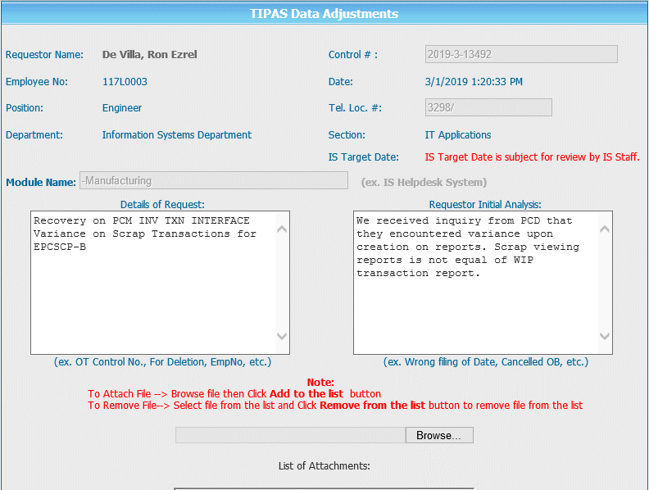
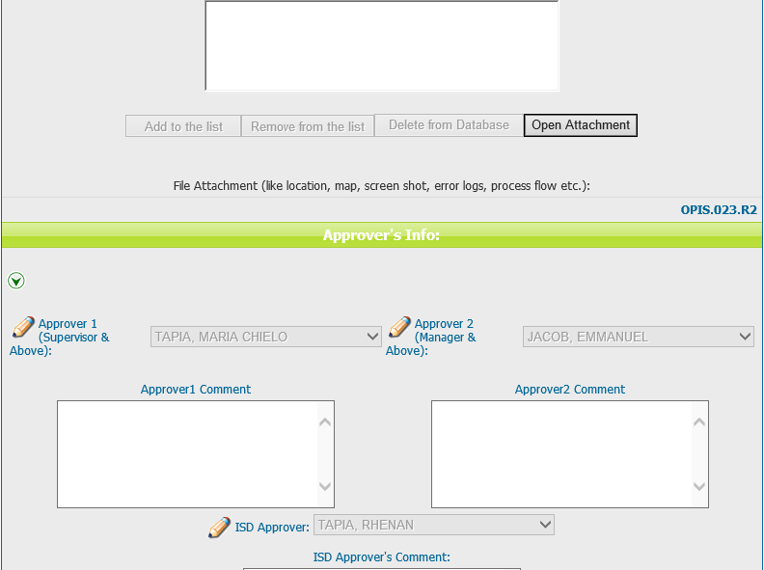

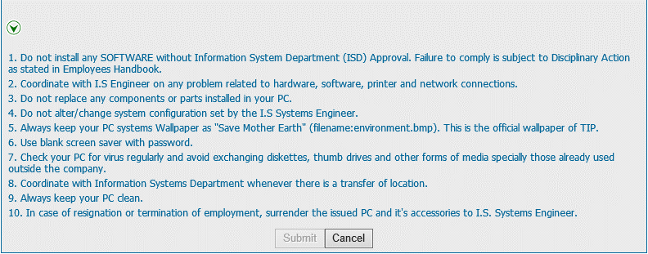
Helpdesk Request

 | ATTACH SCREENSHOT OF HELPDESK REQUEST.

